2 - ongoing
Context
Reward period start | 2022-09-28
Reward period end
Forum post
Current ETH price | $1,329
Current RPL price | 0.01858 Ξ
Posted

 | No-condition RPL | Incentives-only RPL | Net RPL | No-condition Non-RPL

Assets at period start | 1,155.34 RPL | 2,018.00 RPL | 3,173.34 RPL | .0105 ETH

Inflows
pDAO disbursement for this period | 5,275.02 RPL |  | 5,275.02 RPL
pDAO disbursement; entire buildup before IMC created
Net | 5,275.02 RPL | 0.00 RPL | 5,275.025 RPL

Outflows
Aura market on hidden hand
10/3: rETH/ETH metastable https://gnosis-safe.io/app/eth:0xb867EA3bBC909954d737019FEf5AB25dFDb38CB9/transactions/multisig_0xb867EA3bBC909954d737019FEf5AB25dFDb38CB9_0xcdcd5f9a3f7f220f5911b78e7749b27f674195dccb734db17a23af638f91911a | 2,500.00 RPL | 875.00 RPL | 3,375.00 RPL
10/3: Optimism rETH/ETH metastable https://gnosis-safe.io/app/eth:0xb867EA3bBC909954d737019FEf5AB25dFDb38CB9/transactions/multisig_0xb867EA3bBC909954d737019FEf5AB25dFDb38CB9_0xcdcd5f9a3f7f220f5911b78e7749b27f674195dccb734db17a23af638f91911a | 150.00 RPL | 50.00 RPL | 200.00 RPL
10/3: rETH/RPL 20% co-incentive (partner contributed 8976.70 USDC) https://etherscan.io/tx/0x0edfb1a86dfd0690ff9f247990c4a257bcd1bd622333a0ec5170cceb2a6d376d https://etherscan.io/tx/0xb0536fdc15387ed0fb212da9b1c1d7fd623ec671cbf1c0a952a0876113333549 https://gnosis-safe.io/app/eth:0xb867EA3bBC909954d737019FEf5AB25dFDb38CB9/transactions/multisig_0xb867EA3bBC909954d737019FEf5AB25dFDb38CB9_0xa06855ef619fd6223ef6d85957da3aaa6ed3976e60847dbd3fd5d44bf0ae80d8 | 76.00 RPL |  | 76.00 RPL

Net | 2,726.00 RPL | 925.00 RPL | 3,651.000 RPL

Assets at period end | 3,704.36 RPL | 1,093.00 RPL | 4,797.36 RPL | .0105 ETH

Current IMC membership: RP team 1, RP team 2, jasper_the_friendly_ghost#7591, Marceau#9498, Val#5027, rhett#7084, uisce.eth#7707, DaserDog.eth#2764, Denum.eth#3446
IMC multisig: https://gnosis-safe.io/app/eth:0xb867EA3bBC909954d737019FEf5AB25dFDb38CB9/transactions/history
Gas is not currently being tracked. The executing team member is paying for it, and the RP team has volunteered to execute.

Intending to use ~3k of pre-IMC RPL per period through withdrawals and maybe a little after

Metrics
1% price impact is our primary metric (1% sheet)
Peg (https://dune.com/queries/1286351/2204808) is a secondary metric
Total rETH depth (https://dune.com/queries/1296796/2221162) is a secondary metric
APR (APR sheet) is useful to see if we're heavily over/underspending somewhere
A variety of other metrics are in https://dune.com/drworm/rocketpool

Hidden Hand Aura market round ending 10/3
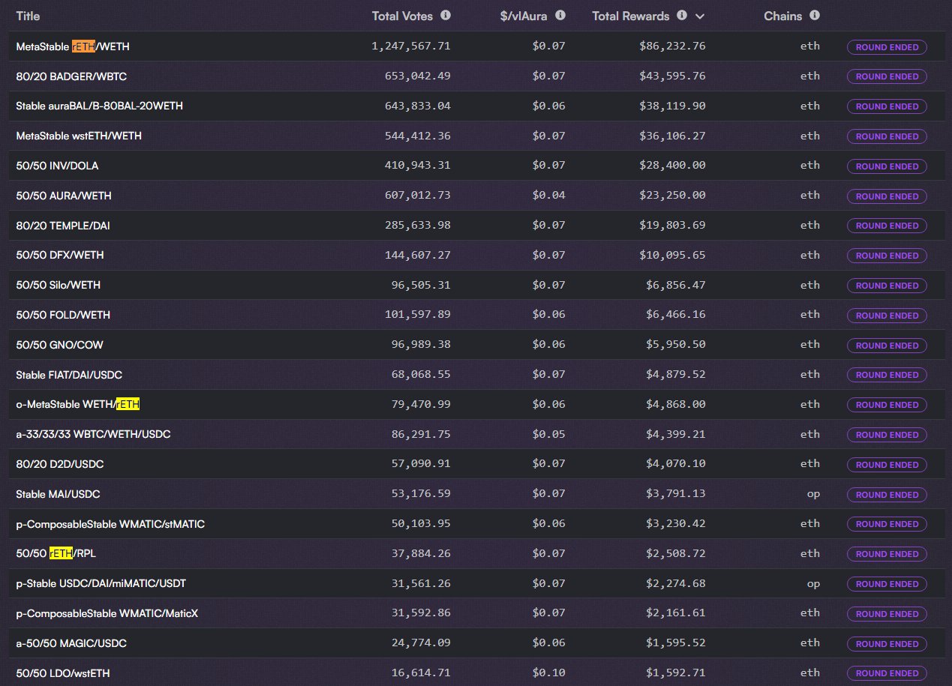

https://app.balancer.fi/#/vebal (a few hours before period close)

1%
ETH to rETH |  |  |  |  | Routing; highest non-ETH percentage
 | 1inch mainnet | 1inch Optimism | 1inch Arbitrum | Uniswap Polygon | 1inch mainnet #1 | 1inch mainnet #2
2022-08-28 | 3,350 Ξ | 26 Ξ | 33 Ξ | 2 Ξ | 30.00% | 0.00%
2022-09-06 | 3,750 Ξ | 410 Ξ | 27 Ξ | 2 Ξ
2022-09-09 | 3,180 Ξ | 388 Ξ | 18 Ξ | 2 Ξ
2022-09-14 | 2,900 Ξ | 330 Ξ | 13 Ξ | 0 Ξ
2022-09-16 | 4,180 Ξ | 600 Ξ | 4 Ξ | 0 Ξ | 20.00% | 0.00%
2022-09-24 | 4,950 Ξ | 575 Ξ | 12 Ξ | 0 Ξ | 10.00% | 0.00%
2022-09-29 | 5,850 Ξ | 625 Ξ | 4 Ξ | 0 Ξ | 10.00% | 0.00%
2022-10-05 | 6,850 Ξ | 445 Ξ | 17 Ξ | 0 Ξ | 10.00%

rETH to ETH
 | 1inch mainnet | 1inch Optimism | 1inch Arbitrum | Uniswap Polygon | 1inch mainnet #1 | 1inch mainnet #2
2022-08-28 | 1,869 Ξ | 20 Ξ | 10 Ξ | 0 Ξ | 30.00% | 0.00%
2022-09-06 | 2,335 Ξ | 284 Ξ | 13 Ξ | 0 Ξ
2022-09-09 | 3,342 Ξ | 174 Ξ | 7 Ξ | 0 Ξ
2022-09-14 | 2,018 Ξ | 195 Ξ | 9 Ξ | 2 Ξ
2022-09-16 | 2,870 Ξ | 157 Ξ | 17 Ξ | 2 Ξ | 10.00% | 0.00%
2022-09-24 | 4,064 Ξ | 308 Ξ | 22 Ξ | 2 Ξ | 10.00% | 0.00%
2022-09-29 | 4,680 Ξ | 583 Ξ | 11 Ξ | 2 Ξ | 0.00% | 0.00%
2022-10-05 | 6,749 Ξ | 689 Ξ | 23 Ξ | 0 Ξ | 0.00%

Liquidity with 1% price impact (in ETH)
Average of the two directions
 | 1inch mainnet | 1inch Optimism | 1inch Arbitrum | Uniswap Polygon
2022-08-28 | 2,610 Ξ | 23 Ξ | 21.5 Ξ | 1.0 Ξ
2022-09-06 | 3,043 Ξ | 347 Ξ | 20.0 Ξ | 1.0 Ξ
2022-09-09 | 3,261 Ξ | 281 Ξ | 12.5 Ξ | 1.0 Ξ
2022-09-14 | 2,459 Ξ | 263 Ξ | 11.0 Ξ | 0.8 Ξ
2022-09-16 | 3,525 Ξ | 379 Ξ | 10.5 Ξ | 0.8 Ξ
2022-09-17 | 4,507 Ξ | 442 Ξ | 17.1 Ξ | 1.0 Ξ
2022-09-24 | 5,265 Ξ | 604 Ξ | 7.4 Ξ | 1.0 Ξ
2022-09-25 | 6,800 Ξ | 567 Ξ | 20.2 Ξ | 0.4 Ξ

Notes
- Results show ETH number at 1% price impact
- % of routing - found by looking at the 1inch routing reported - relevant because a _ton_ of our liquidity is going through wstETH/rETH on mainnet right now

Routing as of 9/6
1inch routes well everywhere except Polygon. Polygon has one tiny uniswap pool, and it's not seen by 1inch.

